Sheet1
Wouhan : https://pfrias.couragecompanion.eu/storage/m/_v2/213604778138275840/4f8b684e5-e9314a/9sZA64wS9VvG/fwgdPNihxgPvF2rcvG1sGmRCHKZmkWnNfuzOfDQD.png
LABEL | CLASS 1 | CLASS 2 | CLASS 2CLASS 2 + Class 1
Fake | 1 |  | 1
Probably Fake | 2 | 1 | 1 |  | Wohan
Fact | 1 |  | 1 | Probably Fake => Not Sure | CY1hoqb9tdK32vg@RIAS14Jan2022 .from Fake to Not sure
Probably Fact | 3 |  | 3 | 2 users check for change for their ideas but they choice same tag as before !
Not sure |  | 1 | 1
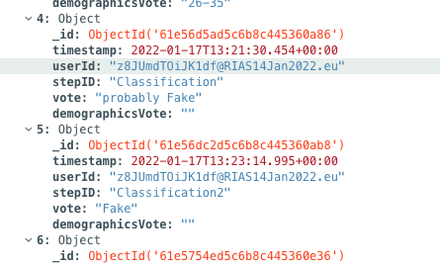
LABEL | CLASS 1 | CLASS 2 | CLASS 2 + Class 1
Fake | 3 | 1 | 4
Probably Fake | 2 | 1 | 1 | Probably Fake => Fake | one user from probably fake to fake abot 5G
Fact | 1 |  | 1 |  | one from fake to notSure
Probably Fact
Not sure |  |  |  | 2 users check for change for their ideas but they choice same tag as before !

LABEL | CLASS 1 | CLASS 2 | CLASS 2 + Class 1
Fake
Probably Fake | 1 |  | 1
Fact | 2 | 1 | 3 | 1 Pobably Fact => 1 Fact | one user change from probably fact to fact
Probably Fact | 2 |  | 1
Not sure | 1 |  | 1

??? What is this chart for ?
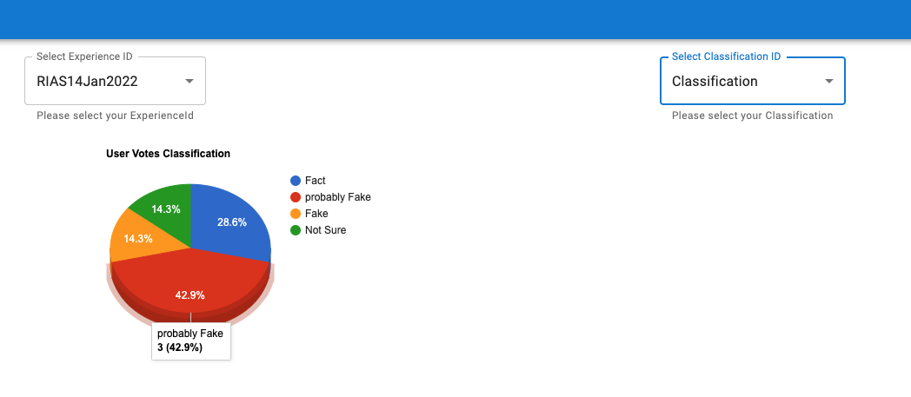

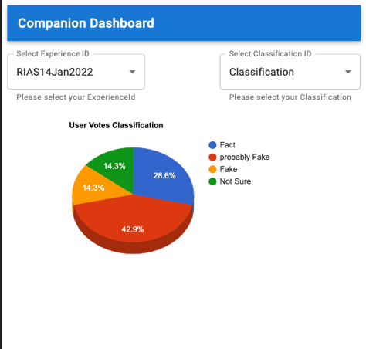
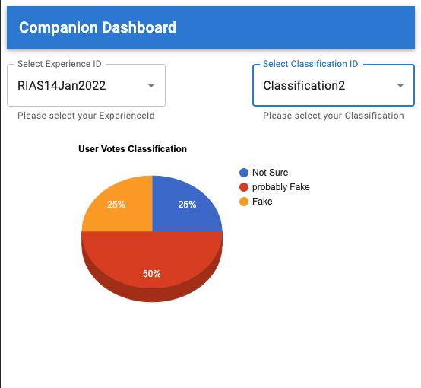

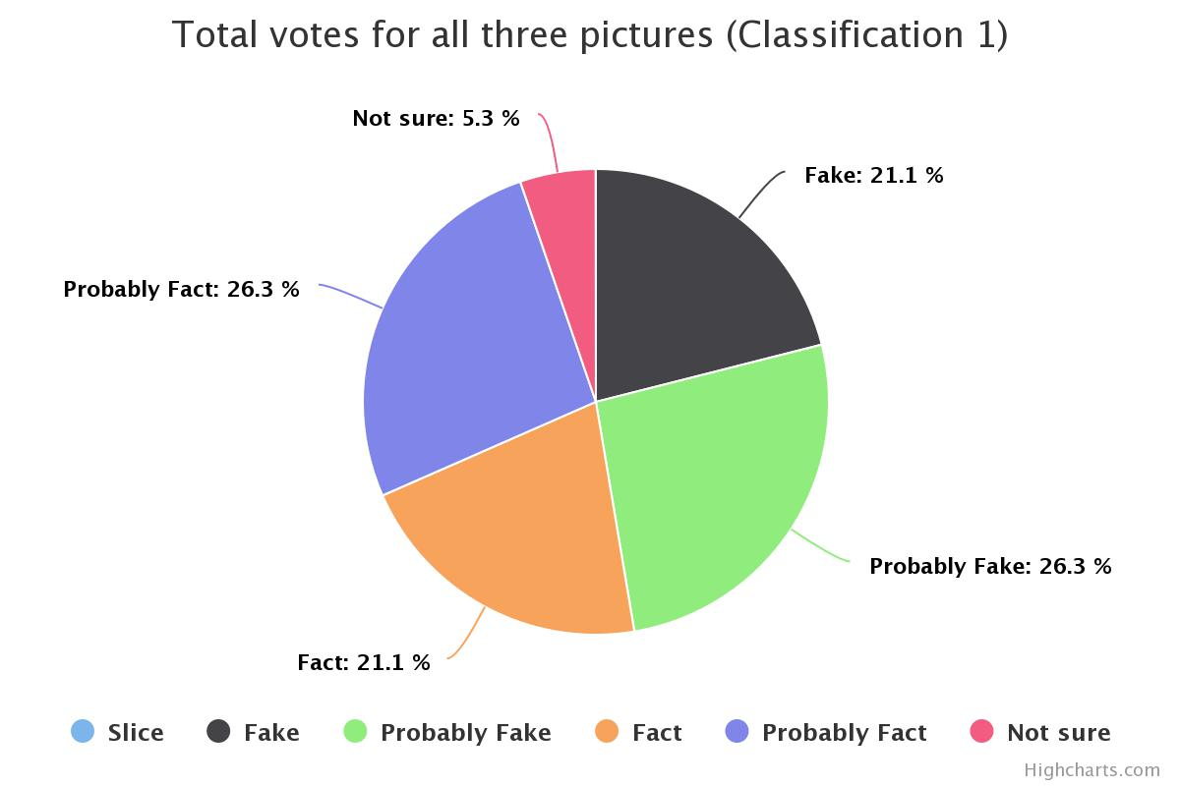
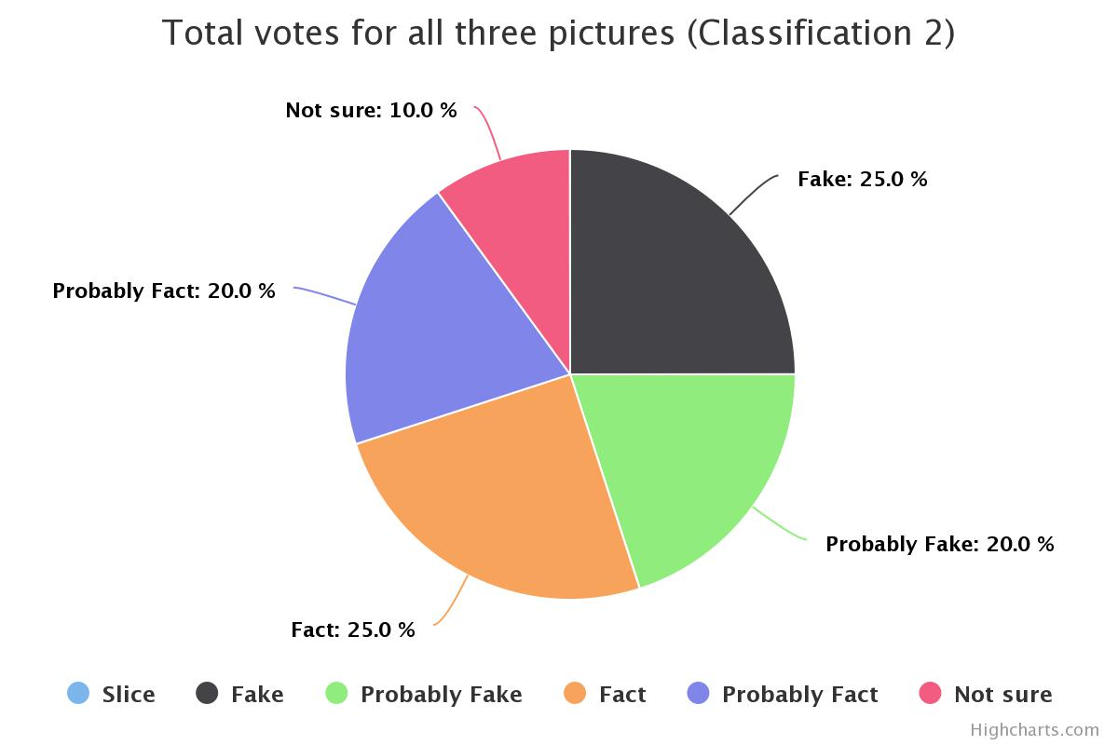

total-votes-for-all-thre (1).jpeg

